Sheet1
No. | product_id | asin | sku | upc | product_name | item_name | listing_url | carton_type | carton_count | carton_weight_lb | carton_cbm | retail_price USD | YW1 Excess QTY | Inv Value USD | TTL CBM | Image
1 | 1022735 | B0797V3YZ9 | LJ-NBBLO-012318-04-F | 843128119915 | Small Pinata - Unicorn | Unicorn Pinata for Girls Birthday Party - Unicorn, Princess or Rainbow Theme Birthday Party Supplies (Pink, Small, 13x15.5x5 in) | https://www.amazon.com/dp/B0797V3YZ9 | 56.5x38x42 | 4 | 5.36 | 0.090174 | $24.99 | 7277 | $181,852.23 | 164.03 | 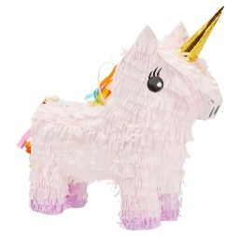
2 | 1022743 | B0798BXQ6M | LJ-NBBLO-032819-03-F | 843128119991 | Large Pinata - Dinosaur | BLUE PANDA Dinosaur Pinata for Boys Birthday Party Supplies, Fun Dino Decorations, Green (Small, 13.8 x 3.0 x 13.5 in) | https://www.amazon.com/dp/B0798BXQ6M | 53.9x33.3x47.6 | 6 | 6.83 | 0.085435812 | $20.99 | 5922 | $124,302.78 | 84.33 | 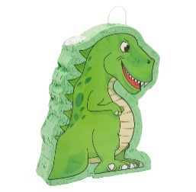
3 | 1036501 | B07YJC79XD | LJ-NBBLO-092719-16-1 | 843128119991 | Small Pinata - Animals - Dinosaur Head | BLUE PANDA Dinosaur Pinata for Boys Birthday T-Rex Themed Party Supplies, Green Foil Dino Decorations (Small, 11.7 x 3.0 x 15.7 In) | https://www.amazon.com/dp/B07YJC79XD | 54x36x36 | 6 | 5.95 | 0.069984 | $28.59 | 1823 | $52,119.57 | 21.28 | 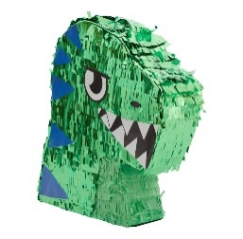
4 | 1277166 | B092HYSKK1 | LJ-YLYGY-041321-10-1 | 194425293434 | Large Pinata - Number 0 | BLUE PANDA - Large Number 0 Pinata for Girl's Birthday Party Decorations, Rainbow Party (21x14.4x4 In) | https://www.amazon.com/dp/B092HYSKK1 | 45x42x57.5 | 4 | 7.5 | 0.108675 | $25.99 | 45 | $1,169.55 | 1.2 | 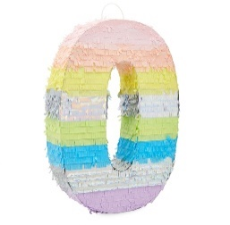
5 | 1035018 | B07V6WKYKY | LJ-NBBLO-071219-05-1 | 194425107649 | Large Pinata - Swan | BLUE PANDA Iridescent Foil White Swan Pinata for Girls Princess Theme Birthday Party Decorations (Small, 16.25 x 14 x 3 In) - Swan Birthday Party Decorations | https://www.amazon.com/dp/B07V6WKYKY | 54.5x43x37 | 6 | 5.73 | 0.0867095 | $27.59 | 5 | $137.95 | 0.09 | 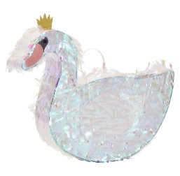
 | Total |  |  |  |  |  |  |  |  |  |  |  | 15072 | $359,582.08 | 270.93

